Non Functional Test
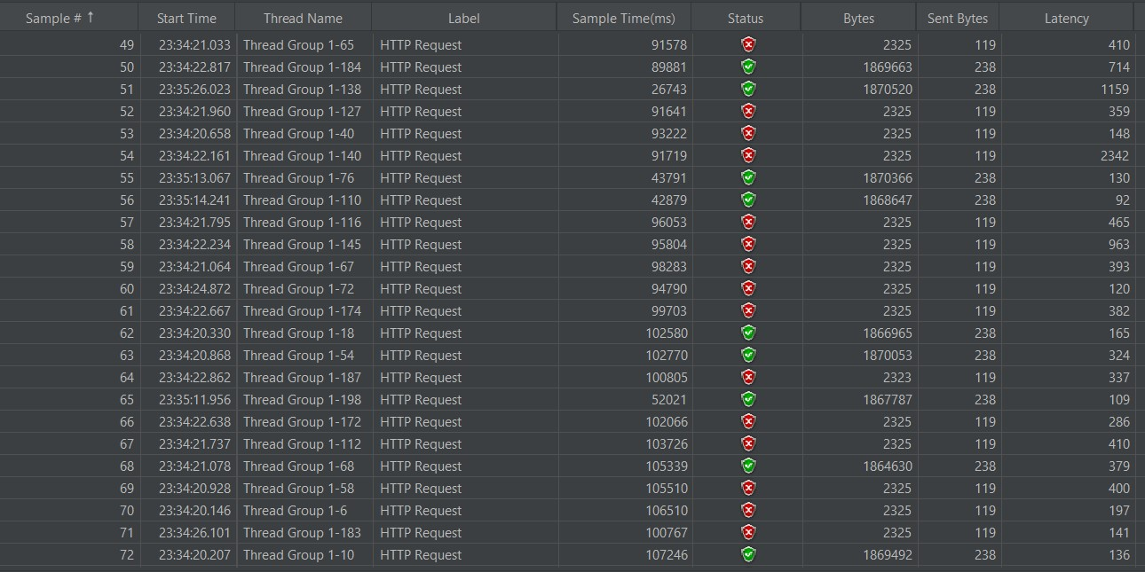
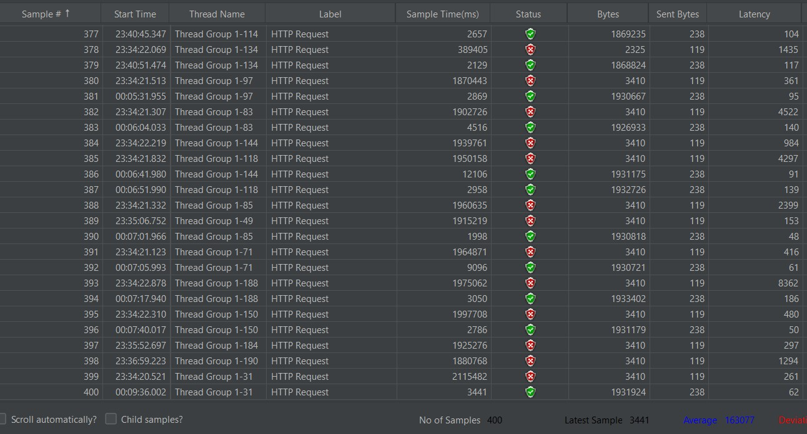
Project Name | Flipkart |  | PROJECT - Flipkart (Load Test & Stress Test)
Module Name 1 | Load Test & Stress Test

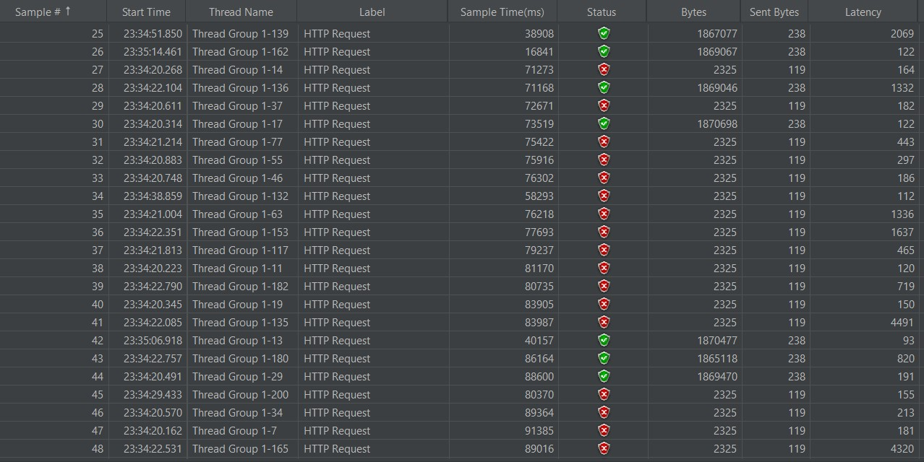
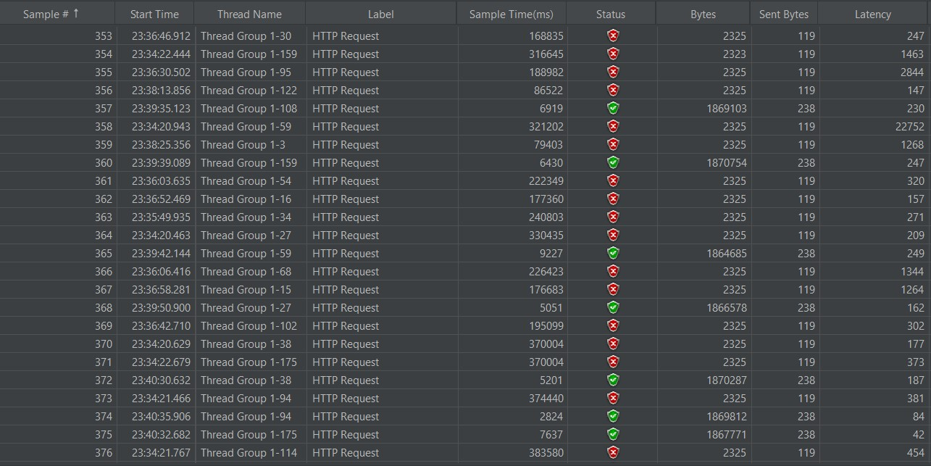
Test Type | Test Scenario | Test Steps | Test Data | Screenshot | Actual Result | Status
Load Testing | Verify the Load test using cuncurrency thread group | 1.Create new Test plan 2.Create a thread group 3.Add a sampler 4.Add a listener(Tree & Table) | 1.Sampler: www.flipkart.com 2.Thread group Users : 15 Ramp up : 3 seconds No: of cycles : 2 | 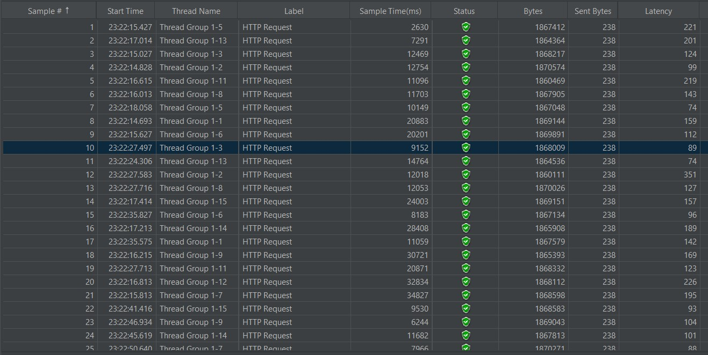
Stress Testing | Verify the Stress test using thread group | 1.Create new Test plan 2.Create a thread group 3.Add a sampler 4.Add a listener(Tree & Table) | 1.Sampler: www.flipkart.com 2.Thread group Users : 200 Ramp up : 3 seconds No: of cycles : 2 | 